1. Title Page
[Instacart]

Project Name: Instacart
Date: 29 January 2023
Analyst Name: Zoi Pisourika

Contents:
Population Flow
Consistency checks
Wrangling steps
Column derivations
Visualisations
Recommendations

Data Citation
“The Instacart Online Grocery Shopping Dataset 2017”, Accessed from https://www.instacart.com/datasets/grocery-shopping-2017 on [08/01/2023].
The "prices" column in the products data set and the "Customer Data" data set were both fabricated for the purpose of this Achievment.

2. Population Flow
Title page

Population flow

Exclusion flag
Condition: max_order < 5
Obervations to be removed: 2233435
Final total count of order_products_all: 30171424

Orders_products_combined
Orders_products_merged
Orders_products_all

Total: 32435059
Total: 32434489
Total: 32404859

1.) The grey boxes in the first row of the population flow represent the original data sets as they were when you downloaded them. In the Total fields you need to add the count of the rows when you imported the data set into Jupyter.
2.) The second row of boxes (coloured) represents the data sets after you manipulated them, e.g., removed missing values and duplicates. In the Total fields you need to add the count of the rows after conducting these operations. This offers a visual oveview of how the data flows throughout the data consistency checks.
3.) The third row, where also the arrows are coloured, represents the merges you performed between the datasets. In the Total fields you need to add the count of the rows in the merged datasets, so that you end up with the final dataset (in the red box). Keep in mind the final dataset should be without exclusions (based on the exclusion flag).

3. Consistency checks
 |  |  |  | Title page
Consistency checks

Dataset | Missing values | Missing values treatment | Duplicates
orders | 206209 | Imputed with median value | 0
products | 16 | dropped | 5
orders_products_prior | 0 | n/a | 0
customers | 0 | n/a | 0

4. Wrangling steps
 |  |  |  | Title page
Wrangling steps

Columns dropped | Columns renamed | Columns' type changed | Comment/Reason
orders --> 'eval_type' |  |  | Did not provide any useful information.
 | orders --> 'order_dow' to orders_day_of_the_week |  | Make the meaning clearer.
 |  | orders --> 'order_id' | From numerical to string.
 |  | orders --> 'user_id' | From numerical to string.
 | departments --> new header row after transposing |  | Creating a table that could also be used as a data dictionary.

5. Column derivations
 |  |  |  | Title page

Column derivations and aggregations

In this tab you should add tables below that the frequences of flags/label variables that you produced after deriving them. NB: don't do this for continuous variables, only for flags.
Dataset | New column | Column/s it was derived from | Conditions
Orders_products_merged | "price_range_loc" | "prices" | If prices <= 5, then "Low-range product" If prices > 5 & <= 15, then "Mid-range product" If prices > 15, then "High-range poruct"
Orders_products_merged | "busiest_day" | "orders_of_the_week" | 0 = Busiest day 4 = Least busy Else = Regularly busy
Orders_products_merged | "busiest_days" | "orders_of_the_week" | 0 = Busiest days 1 = Busiest days 4 = Least busy 3 = Least busy Else = Regularly busy
Orders_products_merged | "busiest_time_of_day" | "order_hour_of_the_day" | Hours between 9 and 16 = "Most orders" Hours = between 7 and 8 & between 17 and 22 = "Average orders" Else = "Fewest orders"
Orders_products_merged | "Loyatly_flag" | "order_number" & "user_id" | Orders per user <= 10 = "New customer" Orders per user > 10 & <= 40 = "Regular customer" Orders per user > 40 = "Loyal Customer"
Orders_products_merged | "Spending_flag" | "uder_id" & "prices" | Average spend per user >= 10, "High Spender" Average spend per user < 10, "Low Spender"
Orders_products_merged | "Order_frequency_flag" | "days_since_prior_order" & "user_id" | If median of days since prior order <= 10 = Frequent customer If median of days since prior order > 10 & <= 20 = Regular customer If median of days since prior order > 20 = Non-frequent customer
Orders_products_customers | "Region" | "state" | Based on the region information in this article: https://simple.wikipedia.org/wiki/List_of_regions_of_the_United_States
Orders_products_all | "Income_flag" | "income" | Below $60k, "low income" Between $60k and $100k, "middle income" Over $100k, 'high income"
Orders_products_all | "age_flag" | "age" | Based on the common categories of generations

6. Visualisations
 |  |  |  |  | Title page

Visualisations

In this tab you should include all the visualtions from Exercises 4.9 and 4.10, alongside the questions from the project brief that they answer. Include any commentary on the relationship between different variables.

What the busiest days of the week* (left) and hours of the day (right) are. |  |  |  |  |  | Customer Profiles |  |  |  |  | Customer Profiles
* 0 stands for Saturday […] and 6 stands for Friday

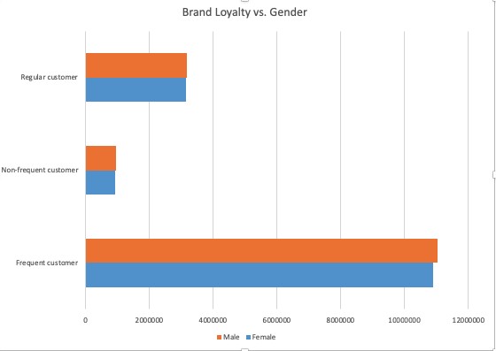



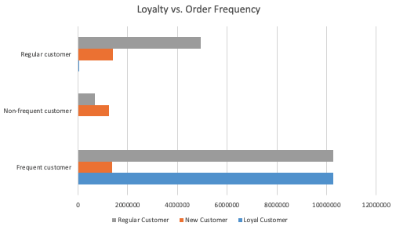

The busiest day of the week is Saturday, closely followed by Sunday, whilst the least busy day of the week is Wednesday. During the 24-hour day, the busiest times are between 10 AM and 5 PM.

Relationship between time of the day and expenditure.
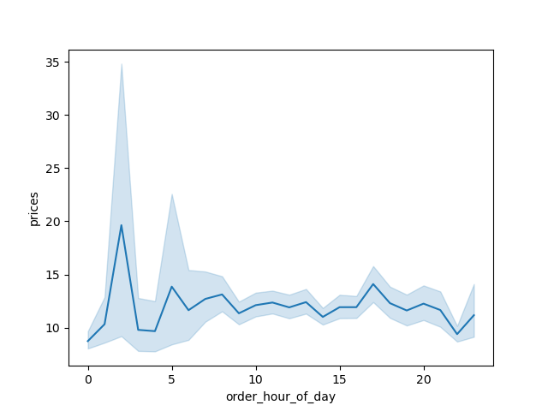

 |  |  |  |  |  | Amongst the different categories of brand loyatly, the distibution between genders is the same. |  |  |  |  | There are many customers who have placed between 10 and 40 orders, but are at the same time frequent customers, placing orders less than 10 days apart. Therefore, they may become loyal customers in the next few months.

 |  |  |  |  |  | Relationship between age and number of dependants.

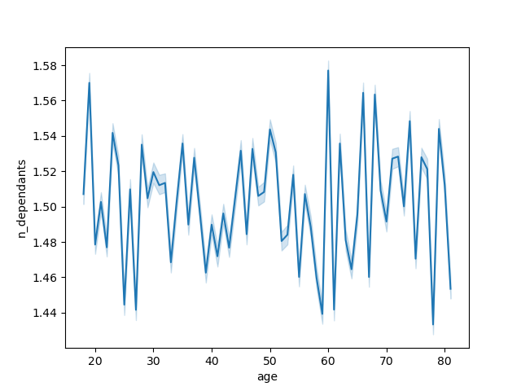
 |  |  |  |  |  |  |  |  |  |  | Relationship between loyalty and age groups.
Expenditure during the day does not fluctuate much for most of the day. However there is a clear spike at 2 AM and a smaller spike at 5 AM as well.

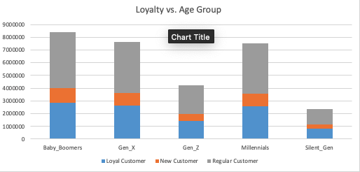
Comparison between regions and customer spending patterns.

 | Midwest | Northeast | South | West
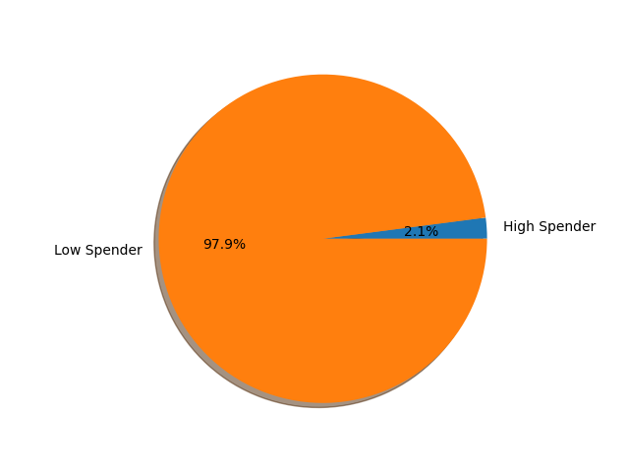
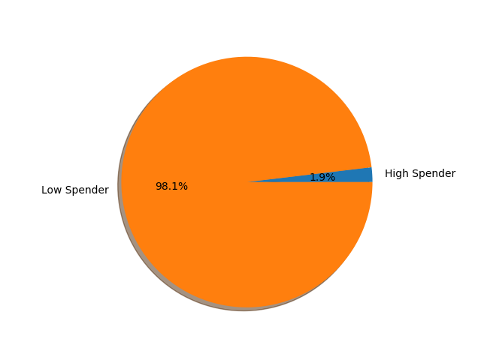



All regions have the same spending patterns among customers.

Comparison between regions and customer spending patterns.

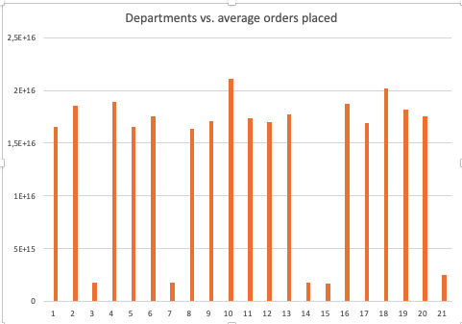

 |  |  |  |  |  |  |  |  |  |  | The distribution of loyal customers is similar across the different age groups.

 |  |  |  |  |  | There are no meaningful insights we can derive from the relationship between customer age and the number of dependants they care for.

 |  |  |  |  |  |  | Relationship between family status and order numbers. |  |  |  | Relationship between family status and high spending.

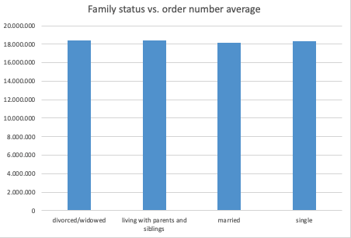

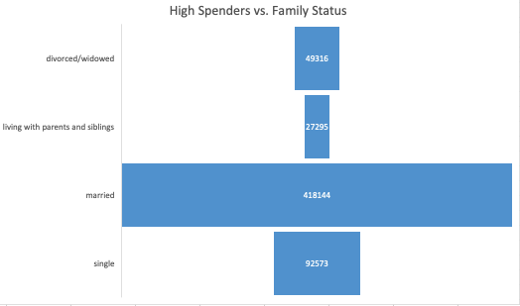

Departments 3, 7, 14, 15,and 21 perform considerably below the remaining ones.

 |  |  |  |  |  |  | Marital status does not affect the average order number.

 |  |  |  |  |  |  |  |  |  |  | Family Status and Time of the Day that Order is Placed.

 |  |  |  |  |  |  | Age Distribution
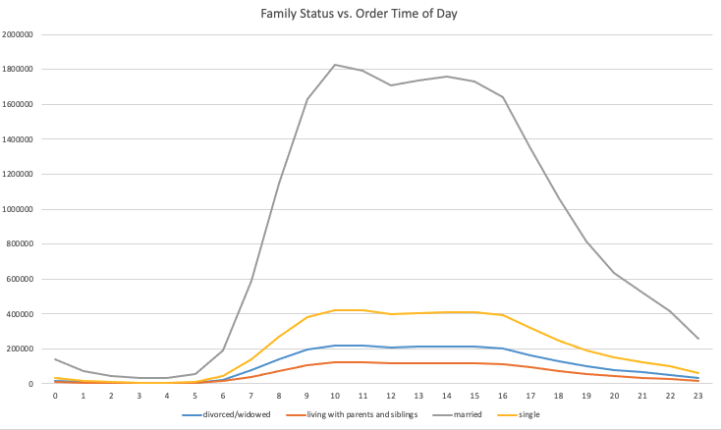

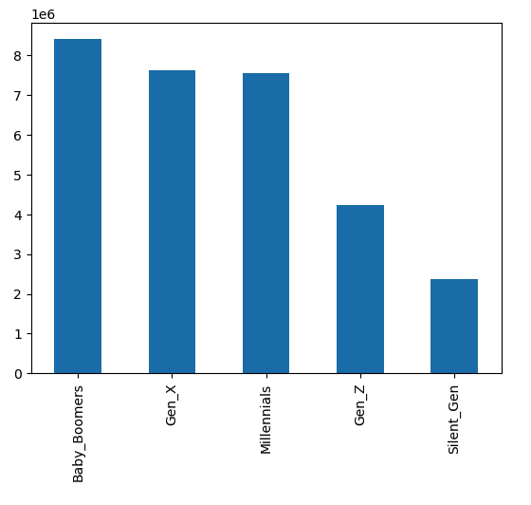

 |  |  |  |  |  |  | Most Instacart customers are between the ages of 77 and 42, closely followed by the Generation_X and Millenial customers. Predictable, Gen_Z and adults over the age of 77 constitute the smaller numbers of customers.

 |  |  |  |  |  |  | Number of Dependants Distribution (i.e. Parents)

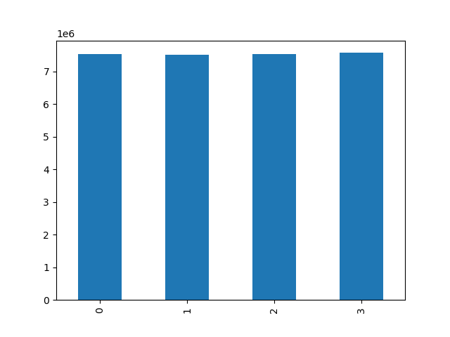

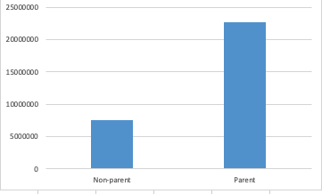

 |  |  |  |  |  |  | Income Distribution |  |  | Income vs. Spending

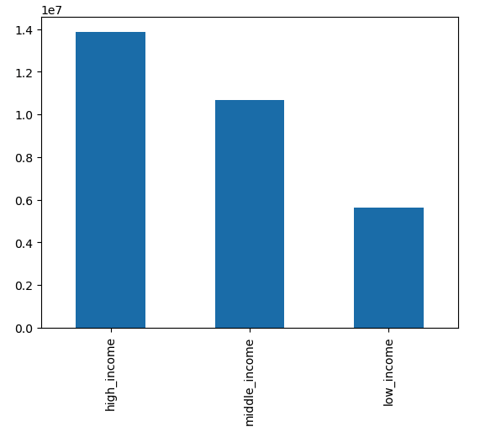

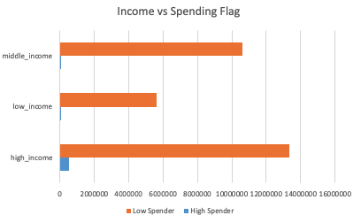

 |  |  |  |  |  |  |  | Most of Instacart customers belong in the high-income category, and based on the the chart on the right, high-income earners are the vast majority of the higher spenders.

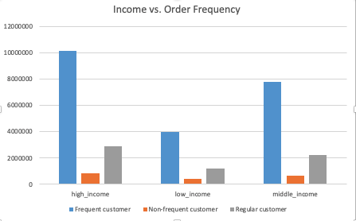
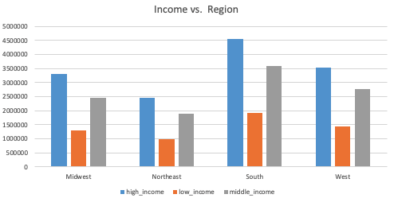

 |  |  |  |  |  |  |  |  | We can find frequent customers in all income categories. We can also see a similar distribution of the different groups of earners across the four main regions in the USA.

7. Recommendations
 |  | Title page

Recommendations

In this tab you should include any recommendations you would made to Instcart in terms of their marketing strategy based on the questions posed in the brief. Every key question has been covered in the Tasks of the Exercises - here you need to add an item - a visualisation or table/crosstable that is showing the answer in the data, acompanied by a comment from you. Please, list the questions below and add the answer underneath.

Question | Answer
Ordering habits based on customer income | The marketing team could start promoting more pricey products to higher spenders as they are the ones in the high income category as well.
 | The marketing and sales team should continue targeting all regions of the USA as there are high earners across the country in equal measure.
Busiest days of the week and hours of the day | The busiest day of the week is Saturday, closely followed by Sunday, whilst the least busy day of the week is Wednesday. During the 24-hour day, the busiest times are between 10 AM and 5 PM.
Departments with lowest frequecy of customer orders | Departments 3, 7, 14, 15,and 21 perform considerably below the remaining ones.
Ordering habits and loyalty | There are many customers who have placed between 10 and 40 orders, but are at the same time frequent customers, placing orders less than 10 days apart. Therefore, they may become loyal customers in the next few months and the marketing and sales teams can promote offers to them to encourage furhter engagement.

Spending based on family status | The vast majority of high spenders are married, therefore the marketing team should focus promoting more items that married people will be interested in. Married people are placing the majority of orders between 10 AM (peak) and 4 PM, so when organising the advertising campaigns schedule, this should be taken into account.

